Data strucer and algo
what is Data structure and algorithm ?
Data Starcher: | Data Starcher: is to data organize a better way that you can effitional to use that call data stretcher
 | Example :
 | un organize data : let my arr= [5,3,0, 7,2,1]
 | let my arr= [5,3,0, 7,2,1] : in this example you can see data is un organize data which diffucult to access. where is "0" ? tell me smallest number in above ?

 | Data Starcher / organize data :
 | organize data : let my arr= [0,1,2,3,4,5,6,7]
 | where is "0" ? which is smallest number in array ? you will easaly or fast says at 1 st postion is "0"
 | This is an stcrher data

Algorithm | what is Algorithm ?
 | to make organize data what ever setps of function or algorithem you use that call Algorithum

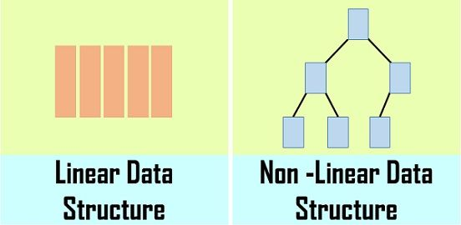
Linier data stcher | where you sequencely follow data that call liner data strucher
 | Example : [0,1,2,3,4,5]
 | you go one by one from left to right

None Linier data stcher | it not follow the sequence it stary from any where to any where like tree

Algorithm | insert
 | delete
 | short
 | recortion

permative | number, string, boolen,

none permative | object, array

Data Structure and Algorithm
Data | Data can be any short of the information that you manage | Ex Array, object, files, list, video, audio
Strucher | get strchrize data
Algorithm | from un-strucher data to strcher data what ever priciple or roule that you use that call Algorithm

 | Data can be two types
 | 1) permative type : Example String, number, boolean,

 | 2) None-permative type: Example Array,List, Aboject, files

 | So Data stucher mostly apply on none permative type

 | Opration type
 | 1)Traverse : print all the array elements one by one
 | 2) Insertion − Adds an element at the given index.
 | 3) Deletion − Deletes an element at the given index.
 | 4) Search − Searches an element using the given index or by the value.
 | 5) Update − Updates an element at the given index.
 | 6) map

 | Sack : is a lenier data. pelase refer a image graph------------------------- >

 |  |  | Tree
 | Tree and Graph : it a non lenier pelase refer a image graph------------------------- >

Data Structures
Arrays |  |  | Graph
Linked Lists
Singly Linked Lists
Doubly Linked Lists
Circular Linked Lists
Stacks
Queues
Simple Queue
Circular Queue | Singly Linked List
Priority Queue
Double-Ended Queue (Deque)
Trees
Binary Trees
Binary Search Trees
AVL Trees
Red-Black Trees
Segment Trees
Fenwick Trees (Binary Indexed Trees)
Heaps (Min-Heap, Max-Heap)
Trie (Prefix Tree)
Graphs
Directed Graphs
Undirected Graphs
Weighted Graphs
Unweighted Graphs
Adjacency Matrix
Adjacency List
Algorithms
Sorting
Bubble Sort
Selection Sort
Insertion Sort
Merge Sort
Quick Sort
Heap Sort
Counting Sort
Radix Sort
Searching
Linear Search
Binary Search
Depth-First Search (DFS)
Breadth-First Search (BFS)
Dynamic Programming
Greedy Algorithms
Backtracking
Divide and Conquer
Graph Algorithms
Dijkstra's Algorithm
Bellman-Ford Algorithm
Floyd-Warshall Algorithm
Kruskal's Algorithm
Prim's Algorithm
Topological Sort
Strongly Connected Components (Tarjan's, Kosaraju's)
Hashing

Binary Seach Tree
IsEmpty()
AddNode()
Seach()
DeleteNode()
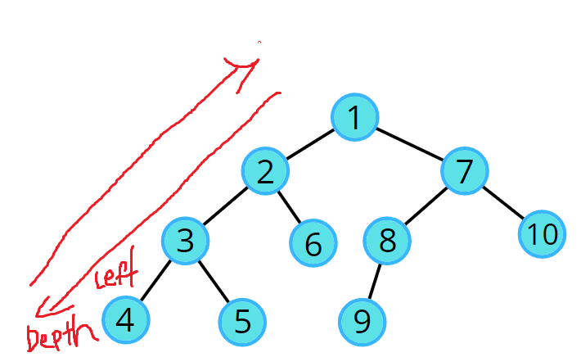
Traval
Depth First seach
PreOder
InOder
PostOder
Breth First seach

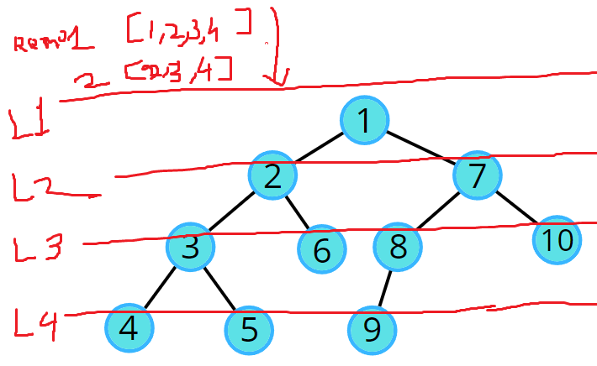

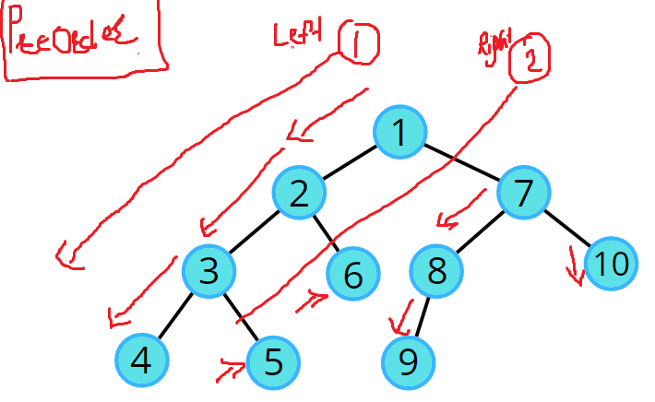

preOder(root){
if(root){
console.log("preOder >>>>>>>>>>>",root.val)
this.preOder(root.left);
this.preOder(root.right);
}
}

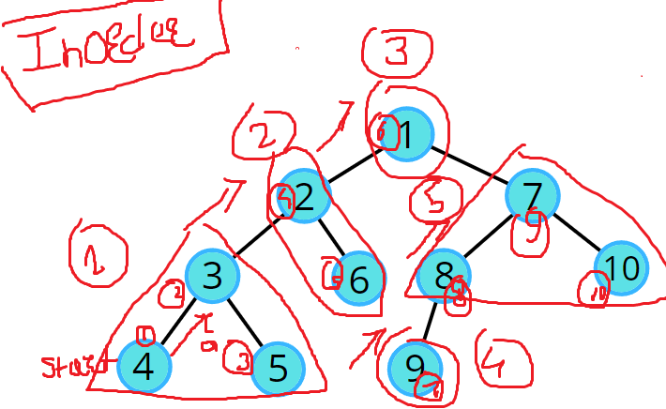
inOder(root){
if(root){
this.preOder(root.left);
console.log("InOder >>>>>>>>>>>",root.val);
this.preOder(root.right);
}
}

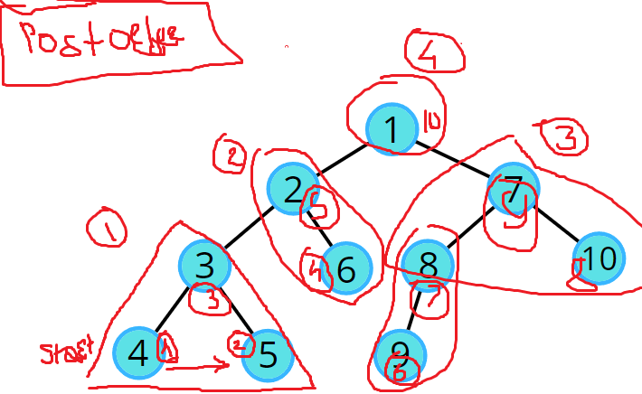
postOder(root){
if(root){
this.preOder(root.left);
this.preOder(root.right);
console.log("Post Oder >>>>>>>>>>>",root.val);
}
}

Birth First Seach

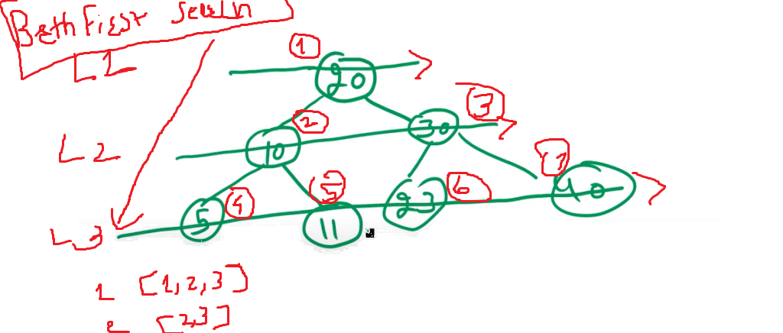
bfs(){
let queue = [];
queue.push(this.root);
while(queue.length){
let current = queue.shift();
if(current.left){
queue.push(current.left)
}

if(current.right){
queue.push(current.right)
}
console.log(">>>>>>>>>>>>>>>> BFS", current.val)
}
}

Sheet1
Chrome tricks : create code snippet

Big O notation | Big O notation

Stack
A stack is a linear data structure in JavaScript that follows the Last-In, First-Out (LIFO) principle. It allows you to push elements onto the top of the stack and pop elements off the top of the stack. Stacks are often used for managing function calls, undo operations, and other scenarios where items need to be accessed in a reverse order of insertion.
Stack Methods
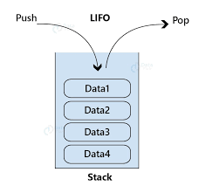
push(item): This method is used to add (push) an item onto the top of the stack.
pop(): This method removes and returns the item at the top of the stack. | class Stack {
peek(): This method returns the item at the top of the stack without removing it. It allows you to inspect the top element without modifying the stack. | constructor() {
isEmpty(): This method checks whether the stack is empty or not. It returns true if the stack has no elements and false otherwise. | this.data = [];
size(): This method returns the number of elements currently in the stack. | }
clear(): This method removes all elements from the stack, effectively resetting it to an empty state. | add(d) {
 | return this.data.push(d);
 | }
 | isEmpty() {
 | return this.size === 0;
 | }
 | remove() {
 | if (this.isEmpty()) {
 | return "stack is empty";
 | } else {
 | return this.data.pop();
 | }
 | }
 | search(searchKey){
 | const searchFound = this.data.filter((item) => item === searchKey)
 | return searchFound;
 | }
 | peek() {
 | if (this.isEmpty()) {
 | return "stack is empty cant peek";
 | }
 | return this.data[this.data.length - 1];
 | }
 | iterateItem() {
 | for (let i = this.data.length-1; i >= 0; i--) {
 | console.log(this.data[i]);
 | }
 | }
 | size() {
 | return this.data.length;
 | }
 | clear() {
 | this.data = [];
 | return this.data;
 | }
 | }
 | const myStack = new Stack();
 | myStack.add("5 ?");
 | myStack.add("4 you");
 | myStack.add("3 are");
 | myStack.add("2 how");
 | myStack.add("1 Hello");
 | myStack.add("1 Hello");
 | // myStack.remove();
 | myStack.iterateItem();
 | console.log(myStack.search("1 Hello"))//

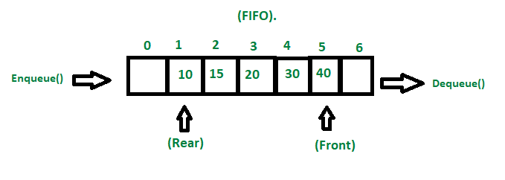
Queue | class Queue {
A queue is a linear data structure in JavaScript that follows the First-In, First-Out (FIFO) principle. It allows you to enqueue (add) elements at the back and dequeue (remove) elements from the front. Queues are often used for managing tasks in a sequential order, such as processing tasks in the order they were added. | constructor() {
 | this.items = [];
Queue methods | }
enqueue(item): This method is used to add (enqueue) an item to the back of the queue.
dequeue(): This method removes and returns the item from the front of the queue. It follows the First-In, First-Out (FIFO) principle. | // Enqueue: Add an element to the back of the queue
peek(): This method returns the item at the front of the queue without removing it. It allows you to inspect the front element without modifying the queue. | enqueue(element) {
isEmpty(): This method checks whether the queue is empty or not. It returns true if the queue has no elements and false otherwise. | this.items.push(element);
size(): This method returns the number of elements currently in the queue. | }
clear(): This method removes all elements from the queue, effectively resetting it to an empty state.
 | // Dequeue: Remove and return the element from the front of the queue
 | dequeue() {
 | if (this.isEmpty()) {
 | return "Underflow";
 | }
 | return this.items.shift();
 | }

 | // Peek: Return the element at the front of the queue without removing it
 | peek() {
 | if (this.isEmpty()) {
 | return "Queue is empty";
 | }
 | return this.items[0];
 | }

 | // Check if the queue is empty
 | isEmpty() {
 | return this.items.length === 0;
 | }

 | // Return the size of the queue
 | size() {
 | return this.items.length;
 | }

 | // Clear the queue
 | clear() {
 | this.items = [];
 | }
 | }

 | // Example usage:

 | const queue = new Queue();

 | queue.enqueue(10);
 | queue.enqueue(20);
 | queue.enqueue(30);

 | console.log("Queue:", queue.items); // Queue: [10, 20, 30]

 | console.log("Dequeue:", queue.dequeue()); // Dequeue: 10
 | console.log("Peek:", queue.peek()); // Peek: 20
 | console.log("Size:", queue.size()); // Size: 2

 | queue.clear();
 | console.log("Queue after clearing:", queue.items); // Queue after clearing: []

